PopulationReport
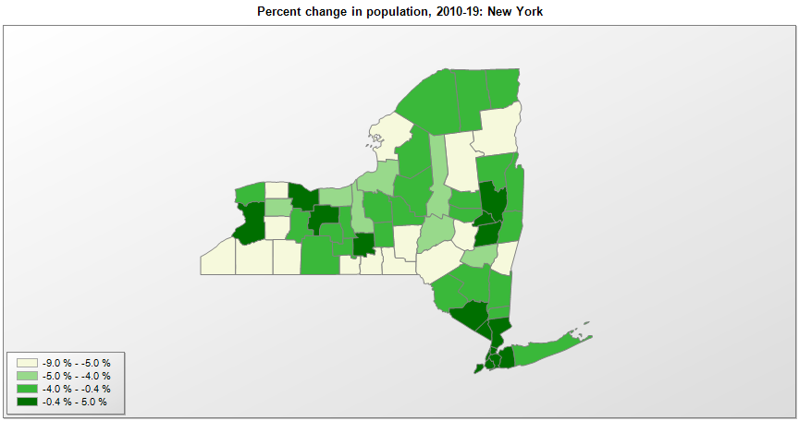

FIPS* | County name | RUC code | Pop. 1990 | Pop. 2000 | Pop. 2010 | Pop. 2019 | Change 2010-19
36000 | New York |  | 17,990,778 | 18,977,026 | 19,378,144 | 19,453,561 | 0.4%
36001 | Albany County | 2 | 292,812 | 294,601 | 304,208 | 305,506 | 0.4%
36003 | Allegany County | 7 | 50,470 | 49,881 | 48,923 | 46,091 | -5.8%
36005 | Bronx County | 1 | 1,203,789 | 1,332,244 | 1,384,580 | 1,418,207 | 2.4%
36007 | Broome County | 2 | 212,160 | 200,415 | 200,675 | 190,488 | -5.1%
36009 | Cattaraugus County | 4 | 84,234 | 83,874 | 80,337 | 76,117 | -5.3%
36011 | Cayuga County | 4 | 82,313 | 81,910 | 80,008 | 76,576 | -4.3%
36013 | Chautauqua County | 4 | 141,895 | 139,698 | 134,907 | 126,903 | -5.9%
36015 | Chemung County | 3 | 95,195 | 91,119 | 88,847 | 83,456 | -6.1%
36017 | Chenango County | 6 | 51,768 | 51,356 | 50,511 | 47,207 | -6.5%
36019 | Clinton County | 5 | 85,969 | 79,882 | 82,131 | 80,485 | -2.0%
36021 | Columbia County | 6 | 62,982 | 63,074 | 63,066 | 59,461 | -5.7%
36023 | Cortland County | 4 | 48,963 | 48,704 | 49,290 | 47,581 | -3.5%
36025 | Delaware County | 6 | 47,352 | 47,894 | 47,962 | 44,135 | -8.0%
36027 | Dutchess County | 1 | 259,462 | 280,032 | 297,454 | 294,218 | -1.1%
36029 | Erie County | 1 | 968,584 | 950,227 | 919,134 | 918,702 | 0.0%
36031 | Essex County | 6 | 37,152 | 38,893 | 39,373 | 36,885 | -6.3%
36033 | Franklin County | 7 | 46,540 | 51,110 | 51,601 | 50,022 | -3.1%
36035 | Fulton County | 4 | 54,191 | 55,053 | 55,513 | 53,383 | -3.8%
36037 | Genesee County | 4 | 60,060 | 60,548 | 59,934 | 57,280 | -4.4%
36039 | Greene County | 6 | 44,739 | 48,021 | 49,214 | 47,188 | -4.1%
36041 | Hamilton County | 8 | 5,279 | 5,376 | 4,841 | 4,416 | -8.8%
36043 | Herkimer County | 2 | 65,809 | 64,502 | 64,469 | 61,319 | -4.9%
36045 | Jefferson County | 3 | 110,943 | 111,716 | 116,232 | 109,834 | -5.5%
36047 | Kings County | 1 | 2,300,664 | 2,465,689 | 2,504,721 | 2,559,903 | 2.2%
36049 | Lewis County | 6 | 26,796 | 26,946 | 27,090 | 26,296 | -2.9%
36051 | Livingston County | 1 | 62,372 | 64,631 | 65,206 | 62,914 | -3.5%
36053 | Madison County | 2 | 69,166 | 69,420 | 73,452 | 70,941 | -3.4%
36055 | Monroe County | 1 | 713,968 | 735,328 | 744,394 | 741,770 | -0.4%
36057 | Montgomery County | 4 | 51,981 | 49,637 | 50,264 | 49,221 | -2.1%
36059 | Nassau County | 1 | 1,287,873 | 1,334,625 | 1,339,880 | 1,356,924 | 1.3%
36061 | New York County | 1 | 1,487,536 | 1,538,096 | 1,586,381 | 1,628,706 | 2.7%
36063 | Niagara County | 1 | 220,756 | 219,795 | 216,480 | 209,281 | -3.3%
36065 | Oneida County | 2 | 250,836 | 235,516 | 234,860 | 228,671 | -2.6%
36067 | Onondaga County | 2 | 468,973 | 458,326 | 467,067 | 460,528 | -1.4%
36069 | Ontario County | 1 | 95,101 | 100,009 | 108,099 | 109,777 | 1.6%
36071 | Orange County | 1 | 307,571 | 341,397 | 372,826 | 384,940 | 3.2%
36073 | Orleans County | 1 | 41,846 | 44,184 | 42,890 | 40,352 | -5.9%
36075 | Oswego County | 2 | 121,785 | 122,387 | 122,105 | 117,124 | -4.1%
36077 | Otsego County | 7 | 60,390 | 61,692 | 62,278 | 59,493 | -4.5%
36079 | Putnam County | 1 | 83,941 | 95,731 | 99,654 | 98,320 | -1.3%
36081 | Queens County | 1 | 1,951,598 | 2,229,394 | 2,230,619 | 2,253,858 | 1.0%
36083 | Rensselaer County | 2 | 154,429 | 152,553 | 159,433 | 158,714 | -0.5%
36085 | Richmond County | 1 | 378,977 | 443,762 | 468,730 | 476,143 | 1.6%
36087 | Rockland County | 1 | 265,475 | 286,794 | 311,691 | 325,789 | 4.5%
36089 | St. Lawrence County | 4 | 111,974 | 111,922 | 111,940 | 107,740 | -3.8%
36091 | Saratoga County | 2 | 181,276 | 200,626 | 219,598 | 229,863 | 4.7%
36093 | Schenectady County | 2 | 149,285 | 146,652 | 154,751 | 155,299 | 0.4%
36095 | Schoharie County | 2 | 31,840 | 31,488 | 32,723 | 30,999 | -5.3%
36097 | Schuyler County | 6 | 18,662 | 19,188 | 18,362 | 17,807 | -3.0%
36099 | Seneca County | 6 | 33,683 | 33,319 | 35,248 | 34,016 | -3.5%
36101 | Steuben County | 4 | 99,088 | 98,681 | 98,982 | 95,379 | -3.6%
36103 | Suffolk County | 1 | 1,321,339 | 1,419,379 | 1,493,116 | 1,476,601 | -1.1%
36105 | Sullivan County | 4 | 69,277 | 73,885 | 77,501 | 75,432 | -2.7%
36107 | Tioga County | 2 | 52,337 | 51,883 | 51,049 | 48,203 | -5.6%
36109 | Tompkins County | 3 | 94,097 | 96,487 | 101,592 | 102,180 | 0.6%
36111 | Ulster County | 3 | 165,380 | 177,726 | 182,519 | 177,573 | -2.7%
36113 | Warren County | 3 | 59,209 | 63,263 | 65,692 | 63,944 | -2.7%
36115 | Washington County | 3 | 59,330 | 61,032 | 63,254 | 61,204 | -3.2%
36117 | Wayne County | 1 | 89,123 | 93,779 | 93,751 | 89,918 | -4.1%
36119 | Westchester County | 1 | 874,866 | 923,621 | 949,218 | 967,506 | 1.9%
36121 | Wyoming County | 6 | 42,507 | 43,462 | 42,154 | 39,859 | -5.4%
36123 | Yates County | 1 | 22,810 | 24,591 | 25,364 | 24,913 | -1.8%

Source: U.S. Census Bureau, 1990, 2000, and 2010 Censuses of Population (corrected), and 2019 County Total Population Estimates. 1) The FIPS codes uniquely identify each county and are part of the Federal Information Processing Standards (FIPS) developed by the National Institute of Standards and Technology (NIST), U.S. Department of Commerce. For more information, see the NIST FIPS publication page. 2) The 2013 rural-urban continuum codes classify metropolitan counties (codes 1 through 3) by size of the Metropolitan Statistical Area (MSA), and nonmetropolitan counties (codes 4 through 9) by degree of urbanization and proximity to metro areas. See rural-urban continuum codes for precise definitions of each code.

